Menna Bug Report
Created By : Menna Nabil
Assigned to : Islam alkersh
Status : closed

ID : # Fund Transfer_TC1
Title : Fund transfer Bottom Is not available on the manager home page

Steps
1-Open Google Chrome
2- Open GURU 99 Bank https://demo.guru99.com/V1/html/Managerhomepage.php
3- Login As A Manager With Valid Account ( mngr611193 ) Password (uvesAhA )
4- Go to Home Manager Page

Expected Result
The fund transfer is available on the manager home page and the money transfer is successful.

Actual Result
Fund transfer Bottom Is not available on the manager home page

Severity
High

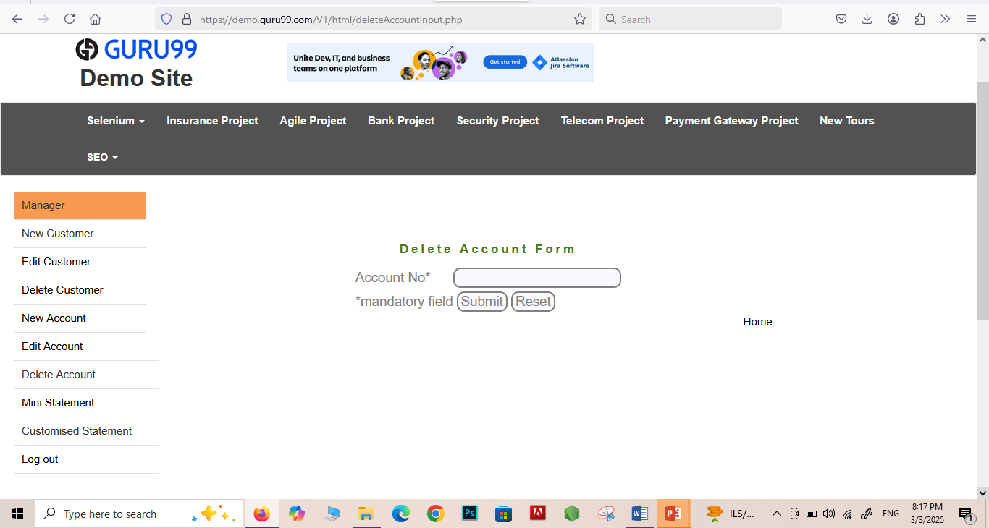
Attachments

